Script
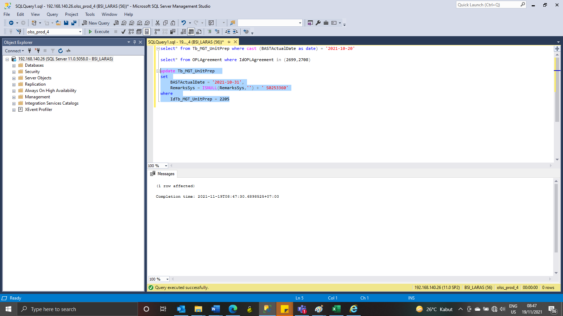
update Tb_MGT_UnitPrep
set
 | BASTActualDate = '2021-10-31',
 | RemarksSys = ISNULL(RemarksSys,'') + ' S0253360'
where
 | IdTb_MGT_UnitPrep = 2205

Screenshot
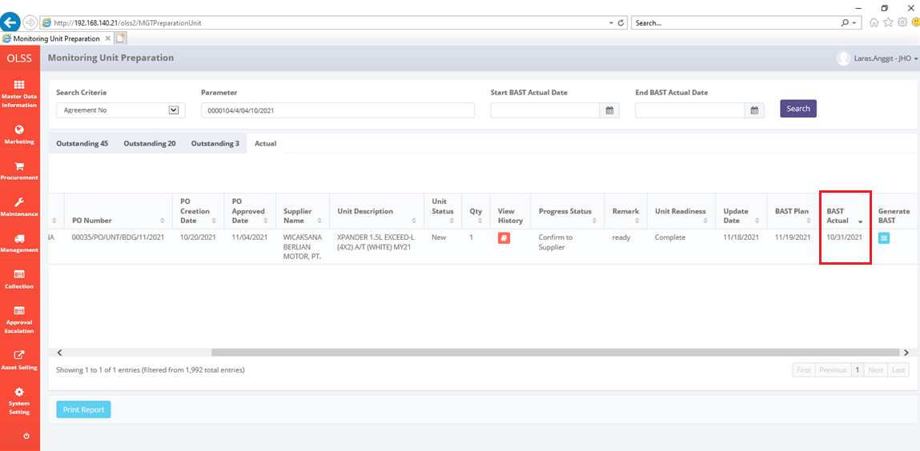
BEFORE
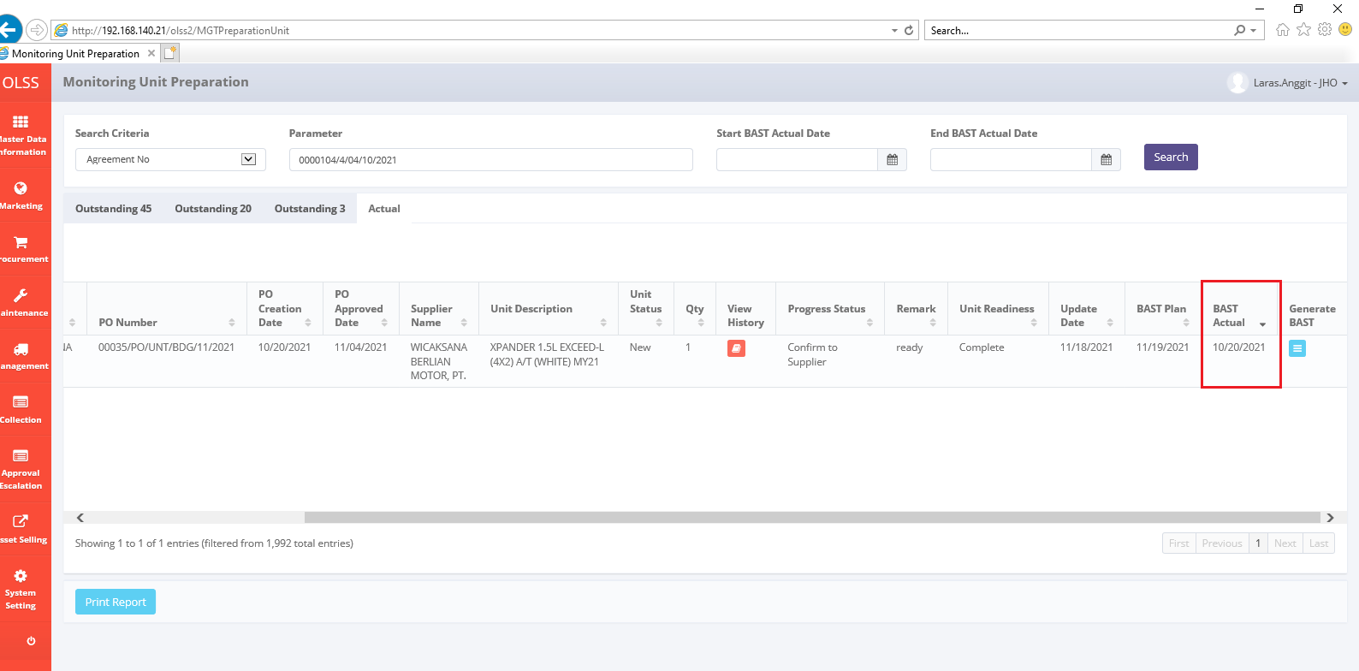

AFTER

